Deposit Banking


THE ACCOUNTING PROCESS
CASH DEPOSITS

Summary
 | Donations received from events must be remitted within 72 hours.
 | Do NOT deposit cash from Truck Raffle. The cash needs to be submitted with corresponding tickets.
 | Do NOT deposit cash from Athlete envelopes. Mail in envelopes as the original process states.
Parameters
 | >Cash must be converted to a cashier's check or deposited to a Wells Fargo bank branch
 | >Credit Card information/envelopes and checks must be mailed to the SOWA office in Seattle.

Supplies/Equipment Needed
 | >Security Deposit Bags (to be provided)

Software/Programs Needed:
 | >None

Process
 | Cash Deposit
 | 1. | Fill out deposit slip per example. Be sure to write in the date of the EVENT! We will not be able to match your donation if the event date is not written on the deposit slip.

 | 2. | Place deposit slip and cash into deposit bag and seal. Keep the bag tag until the deposit has been verified.

 | 3. | Deposit the bag in a Night Drop box or take into the branch where they will count it in front of you at the teller counter.

 | Converting Cash to a Cashier's Check
 | 1. | Purchase a Money Order or Cashier's Check

 | 2. | Mail to SOWA office along with all pertinent paperwork and credit card envelopes and checks. For security you should send using a trackable mail source.

 | Regardless of type of cash deposit you choose:
 |  | Complete the Area Donation Submission from that details the amount and types of cash you are depositing. This is important so we can verify deposits received by your Area.

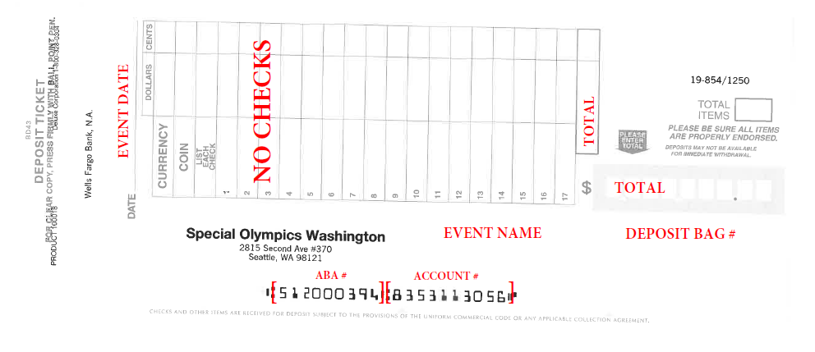

 |  | PLACE DEPOSIT SLIP EXAMPLE HERE

